Sheet1
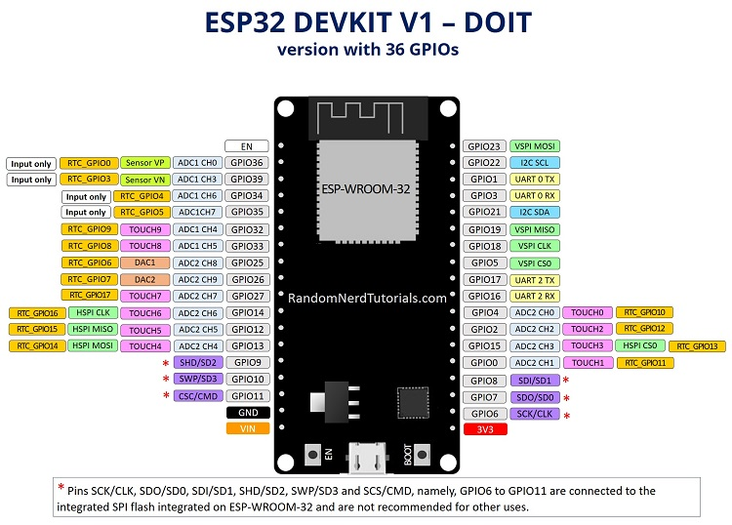
OLED | The following pins supports internal-pull ups:
OLED_CLK 18 | 1. GPIO2 (often labeled as "D2" on development boards) - Supports both internal pull-up and pull-down resistors.
OLED_MOSI 23 | 2. GPIO4 (often labeled as "D4" on development boards) - Supports both internal pull-up and pull-down resistors.
OLED_RESET 16 | 3. GPIO5 (often labeled as "D5" on development boards) - Supports both internal pull-up and pull-down resistors.
OLED_DC 17 | 4. GPIO12 (often labeled as "D12" on development boards) - Supports both internal pull-up and pull-down resistors.
OLED_CS 5 | 5. GPIO13 (often labeled as "D13" on development boards) - Supports both internal pull-up and pull-down resistors.
VCC 3.3 V | 6. GPIO14 (often labeled as "D14" on development boards) - Supports both internal pull-up and pull-down resistors.
ENCODER | 7. GPIO15 (often labeled as "D15" on development boards) - Supports both internal pull-up and pull-down resistors.
26 INPUT_PULLUP //Green | 8. GPIO25 - Supports internal pull-up resistor.
25 INPUT_PULLUP //White | 9. GPIO26 - Supports internal pull-up resistor.
VCC 5-24 V | 10. GPIO27 - Supports internal pull-up resistor.
STATUS SWICH
27 INPUT_PULLUP
RESET SWICH
4 INPUT_PULLUP
GYRO MPU6050
I2C (SCL: 22), (SDA: 21)
VCC 3.3 V
LED
32 RED
33 Green

